Screen(SAM0021)
 |  | BASIC DESIGN |  |  |  |  |  |  |  |  |  |  |  |  | SYS-ID
 |  |  |  |  |  |  |  |  |  |  |  |  |  |  | SYS-Title
 |  | Function |  | [FAM002]Union_2 Master |  |  |  |  |  |  |  |  |  |  | Created by
 |  | Page |  | Screen Specification |  |  |  |  |  |  |  |  |  |  | Date

Screen |  |  | [SAM0021]Union_2 Master

1. Screen Image
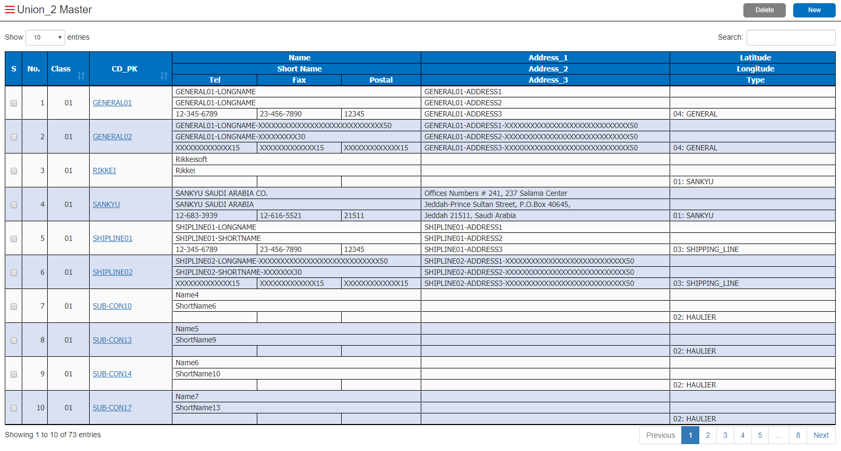

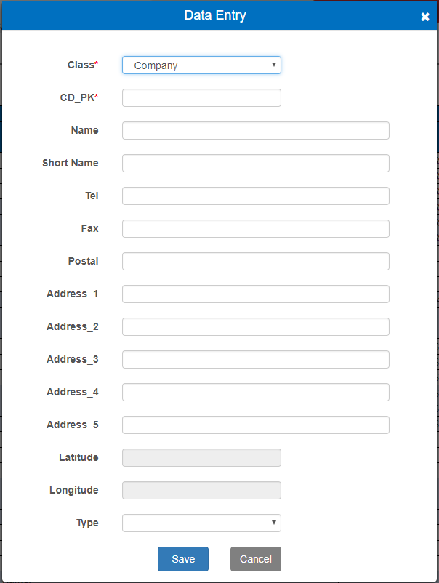

2. Screen Description

 | 1) To manage master information stored in [UN2_MST].

3. Item Definition

 | # | Item |  |  | Type |  | TAB |  | Digit | Format |  |  | Character |  |  | Mandatory | Initial |  |  | Remarks
 | Main
 | 1 | S |  |  | CheckBox |  | - |  | - | - |  |  | - |  |  | - | (Tick Off)
 | 2 | No. |  |  | Label |  | - |  | 3 | ZZ9 |  |  | Numeric |  |  | - | (Auto)
 | 3 | Class |  |  | Label |  | - |  | 2 | X |  |  | Alphanumeric |  |  | - | [UN2_MST]
 | 4 | CD_PK |  |  | Hyperlink |  | 1 |  | 10 | X |  |  | Alphanumeric |  |  | - | [UN2_MST] |  |  | Open popup screen in Edit mode
 | 5 | Name |  |  | Label |  | - |  | 50 | X |  |  | Alphanumeric |  |  | - | [UN2_MST]
 | 6 | Short Name |  |  | Label |  | - |  | 30 | X |  |  | Alphanumeric |  |  | - | [UN2_MST]
 | 7 | Tel |  |  | Label |  | - |  | 20 | X |  |  | Alphanumeric |  |  | - | [UN2_MST]
 | 8 | Fax |  |  | Label |  | - |  | 20 | X |  |  | Alphanumeric |  |  | - | [UN2_MST]
 | 9 | Postal |  |  | Label |  | - |  | 15 | X |  |  | Alphanumeric |  |  | - | [UN2_MST]
 | 10 | Address_1 |  |  | Label |  | - |  | 50 | X |  |  | Alphanumeric |  |  | - | [UN2_MST]
 | 11 | Address_2 |  |  | Label |  | - |  | 50 | X |  |  | Alphanumeric |  |  | - | [UN2_MST]
 | 12 | Address_3 |  |  | Label |  | - |  | 50 | X |  |  | Alphanumeric |  |  | - | [UN2_MST] |  |  | * Do not display Address_4 and Address_5
 | 13 | Latitude |  |  | Label |  | - |  | 20 | (GPS Format) |  |  | Alphanumeric |  |  | - | [UN2_MST]
 | 14 | Longitude |  |  | Label |  | - |  | 20 | (GPS Format) |  |  | Alphanumeric |  |  | - | [UN2_MST]
 | 15 | Type |  |  | Label |  | - |  | 24 | X |  |  | Alphanumeric |  |  | - | [UN2_MST] [UN1_MST] |  |  | 1) If Class = 01 (Company) [UN2_MST]TYPE_CD + [UN1_MST](LBL, 05) *First 20digit only 2) If Class = 02 (Place) [UN2_MST]TYPE_CD + [UN1_MST](LBL, 06) *First 20digit only
 | Popup Screen (New)
 | 1 | Class |  |  | ComboBox |  | 1 |  | 20 | X |  |  | Alphanumeric |  |  | Y | "01" |  |  | <Combo Option> 01: Company 02: Place
 | 2 | CD_PK |  |  | TextBox |  | 2 |  | 10 | X |  |  | Alphanumeric |  |  | Y | -
 | 3 | Name |  |  | TextBox |  | 3 |  | 50 | X |  |  | Alphanumeric |  |  | - | -
 | 4 | Short Name |  |  | TextBox |  | 4 |  | 30 | X |  |  | Alphanumeric |  |  | - | -
 | 5 | Tel |  |  | TextBox |  | 5 |  | 20 | X |  |  | Alphanumeric |  |  | - | -
 | 6 | Fax |  |  | TextBox |  | 6 |  | 20 | X |  |  | Alphanumeric |  |  | - | -
 | 7 | Postal |  |  | TextBox |  | 7 |  | 15 | X |  |  | Alphanumeric |  |  | - | -
 | 8 | Address_1 |  |  | TextBox |  | 8 |  | 50 | X |  |  | Alphanumeric |  |  | - | -
 | 9 | Address_2 |  |  | TextBox |  | 9 |  | 50 | X |  |  | Alphanumeric |  |  | - | -
 | 10 | Address_3 |  |  | TextBox |  | 10 |  | 50 | X |  |  | Alphanumeric |  |  | - | -
 | 11 | Address_4 |  |  | TextBox |  | 11 |  | 50 | X |  |  | Alphanumeric |  |  | - | -
 | 12 | Address_5 |  |  | TextBox |  | 12 |  | 50 | X |  |  | Alphanumeric |  |  | - | -
 | 13 | Latitude |  |  | TextBox |  | 13 |  | 20 | (GPS Format) |  |  | Alphanumeric |  |  | - | - |  |  | If Class = 01 (Company), make this column uneditable.
 | 14 | Longitude |  |  | TextBox |  | 14 |  | 20 | (GPS Format) |  |  | Alphanumeric |  |  | - | - |  |  | If Class = 01 (Company), make this column uneditable.
 | 15 | Type |  |  | ComboBox |  | 15 |  | 34 | X |  |  | Alphanumeric |  |  | - | (Auto) |  |  | <Combo Option> *Format X2: XXXXX…XXX20 1) If Class = 01 (Company) [UN1_MST](LBL, 05) 2) If Class = 02 (Place) [UN1_MST](LBL, 06)

 | # | Item |  |  | Type |  | TAB |  | Digit | Format |  |  | Character |  |  | Mandatory | Initial |  |  | Remarks
 | Popup Screen (Edit)
 | 1 | Class |  |  | Label |  | - |  | 20 | X |  |  | Alphanumeric |  |  | - | [UN2_MST] |  |  | <Combo Option> 01: Company 02: Place
 | 2 | CD_PK |  |  | Label |  | - |  | 10 | X |  |  | Alphanumeric |  |  | - | [UN2_MST]
 | 3 | Name |  |  | TextBox |  | 1 |  | 50 | X |  |  | Alphanumeric |  |  | - | [UN2_MST]
 | 4 | Short Name |  |  | TextBox |  | 2 |  | 30 | X |  |  | Alphanumeric |  |  | - | [UN2_MST]
 | 5 | Tel |  |  | TextBox |  | 3 |  | 20 | X |  |  | Alphanumeric |  |  | - | [UN2_MST]
 | 6 | Fax |  |  | TextBox |  | 4 |  | 20 | X |  |  | Alphanumeric |  |  | - | [UN2_MST]
 | 7 | Postal |  |  | TextBox |  | 5 |  | 15 | X |  |  | Alphanumeric |  |  | - | [UN2_MST]
 | 8 | Address_1 |  |  | TextBox |  | 6 |  | 50 | X |  |  | Alphanumeric |  |  | - | [UN2_MST]
 | 9 | Address_2 |  |  | TextBox |  | 7 |  | 50 | X |  |  | Alphanumeric |  |  | - | [UN2_MST]
 | 10 | Address_3 |  |  | TextBox |  | 8 |  | 50 | X |  |  | Alphanumeric |  |  | - | [UN2_MST]
 | 11 | Address_4 |  |  | TextBox |  | 9 |  | 50 | X |  |  | Alphanumeric |  |  | - | [UN2_MST]
 | 12 | Address_5 |  |  | TextBox |  | 10 |  | 50 | X |  |  | Alphanumeric |  |  | - | [UN2_MST]
 | 13 | Latitude |  |  | TextBox |  | 11 |  | 20 | (GPS Format) |  |  | Alphanumeric |  |  | - | [UN2_MST] |  |  | If Class = 01 (Company), make this column uneditable.
 | 14 | Longitude |  |  | TextBox |  | 12 |  | 20 | (GPS Format) |  |  | Alphanumeric |  |  | - | [UN2_MST] |  |  | If Class = 01 (Company), make this column uneditable.
 | 15 | Type |  |  | ComboBox |  | 13 |  | 34 | X |  |  | Alphanumeric |  |  | - | [UN2_MST] *Auto switch if class is changed |  |  | <Combo Option> *Format X2: XXXXX…XXX20 1) If Class = 01 (Company) [UN1_MST](LBL, 05) 2) If Class = 02 (Place) [UN1_MST](LBL, 06)

4. Control Definition

 | # | Item |  |  | Type |  | TAB |  | Event |  |  | Shortcut Key |  |  | Performance |  |  |  |  |  |  | Popup
 | Main
 | 1 | New |  |  | Button |  | 2 |  | Single Click |  |  | - |  |  | Open popup screen in New mode. |  |  |  |  |  |  | -
 | 2 | Delete |  |  | Button |  | 3 |  | Single Click |  |  | - |  |  | Delete selected entry. |  |  |  |  |  |  | Confirmation
 | 3 | Logout |  |  | Button |  | 4 |  | Single Click |  |  | - |  |  | Logout from this system. |  |  |  |  |  |  | Confirmation
 | 4 | (Select another menu) |  |  | - |  | - |  | Single Click |  |  | - |  |  | Move to another menu. |  |  |  |  |  |  | Confirmation
 | Popup Screen(New)
 | 1 | Save |  |  | Button |  | 16 |  | Single Click |  |  | - |  |  | Update [UN2_MST]. |  |  |  |  |  |  | Confirmation
 | 2 | Cancel |  |  | Button |  | 17 |  | Single Click |  |  | - |  |  | Close the popup screen without saving the data. |  |  |  |  |  |  | -
 | Popup Screen(Edit)
 | 1 | Save |  |  | Button |  | 14 |  | Single Click |  |  | - |  |  | Update [UN2_MST]. |  |  |  |  |  |  | Confirmation
 | 2 | Cancel |  |  | Button |  | 15 |  | Single Click |  |  | - |  |  | Close the popup screen without saving the data. |  |  |  |  |  |  | -

5. Sort Condition

 | # | Item |  |  |  |  |  | Sort
 | Main
 | 1 | [UN2_MST] |  | CLASS |  |  |  | ASC
 | 2 | [UN2_MST] |  | CD_PK |  |  |  | ASC

6. Search Condition

 | # | Item |  |  |  |  |  | Operator |  |  | Comparison |  |  |  |  |  | Join |  | Space |  | Mandatory
 | Main
 | 1 | [UN2_MST] |  | SYSTEM_ID |  |  |  | = |  |  | (Session) |  |  | System ID |  |  |  |  | Delete |  | Required

7. Confirmation Message

 | # | Item |  |  | ID | Message |  |  |  |  |  |  |  |  |  |  |  | Button
 | Main
 | 1 | Delete |  |  | CA-0007 | Are you sure to delete the data? |  |  |  |  |  |  |  |  |  |  |  | [Proceed] / [Return]
 | 2 | Logout |  |  | CA-0001 | Are you sure to log out from the system? |  |  |  |  |  |  |  |  |  |  |  | [Proceed] / [Return]
 | 3 | (Select another menu) |  |  | CA-0002 | Are you sure to leave this menu? |  |  |  |  |  |  |  |  |  |  |  | [Proceed] / [Return]
 | Popup Screen (New/Edit)
 | 1 | Save |  |  | CA-0004 | Are you sure to save the data? |  |  |  |  |  |  |  |  |  |  |  | [Proceed] / [Return]

